Cover Page


To be completed at GRIP 4 /PACE Phase 2 & updated at GRIP 5 & 6 / PACE Phase 2/3
Resource Efficiency Template
[INSERT PROJECT NUMBER AND NAME HERE]

 | Name | Position | Signature
Written
Reviewed
Approved

RE (Opportunities Log)
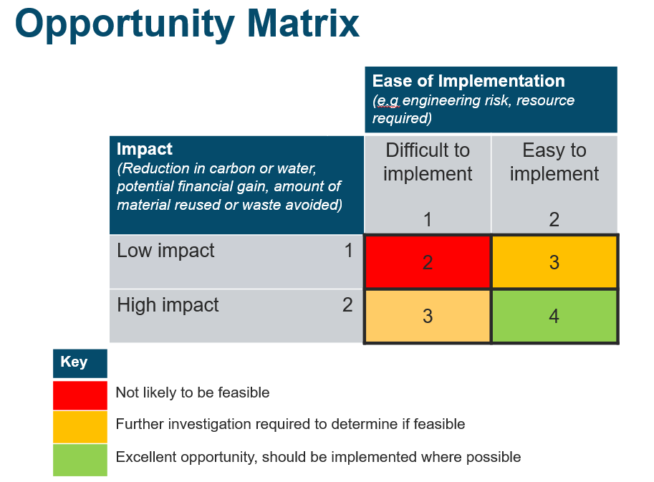
 | Resource Efficiency Opportunities Matrix
 | Date:
 | Attendees:

 | Opportunity | Resource Efficiency Principle | Action to Investigate/Implement | Action Owner | RAG Rating
Column1
1
2
3
4
5
6
7
8
9
10
11
12
13
14
15
16
17
18
19
20
21
22
23
24
25
26
27
28
29
30
31
32
33
34
35

