DD regions map
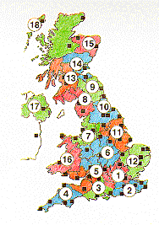
1 | Thames Valley
2 | South Eastern
3 | Southern
4 | South Western
5 | Severn Valley
6 | Midland
7 | West Pennines
8 | North Western
9 | Borders
10 | North Eastern
11 | East Pennines
12 | East Anglia
13 | West Scotland
14 | East Scotland
15 | North East Scotland
16 | Wales
17 | Northern Ireland
18 | North West Scotland

