Dashboard
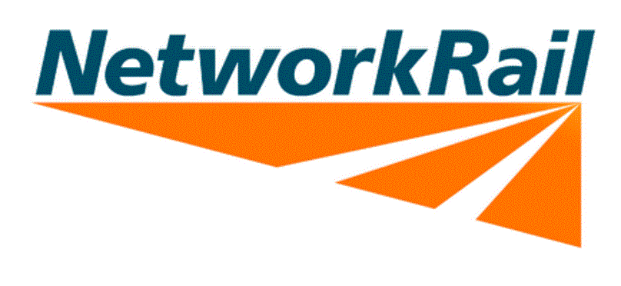

Network Rail Energy & Carbon Efficiency Programme
Project & Opportunities Register
0

 | Cost Savings
Projected | £-
Progress to date | £-
 | Red | Amber | Green
Project summary | 0 | 0 | 0 | Progress to date

 | 0 Total projects |  |  | 0 Projects Completed

 | Opex | Capex | Total | Opex | Capex | Total
Total programme cost | £- | £- | 0 | 0 | 0 | 0

 | kWh | £ | CO2 | kWh | £ | CO2
Total projected savings per annum | 0 | £- | - | 0 | £- | -

Notes : Progress to date is based on percentage completion of individual projects to provide an estimated overview of project. Actual savings will be assessed at the end of each year during annual reporting of greenhouse gas emissions. Cost savings are indicative based on the amount of energy saved and may be offset by operation or comfort improvement and/or cost avoidance due to the impact of rising fuel bills. |  |  |  |  |  |  | Route Energy Lead :

 |  |  |  |  |  |  | Project & Opportunities register managed by :

 |  |  |  |  |  |  | Last update on :

